Instructions & Examples
Instructions

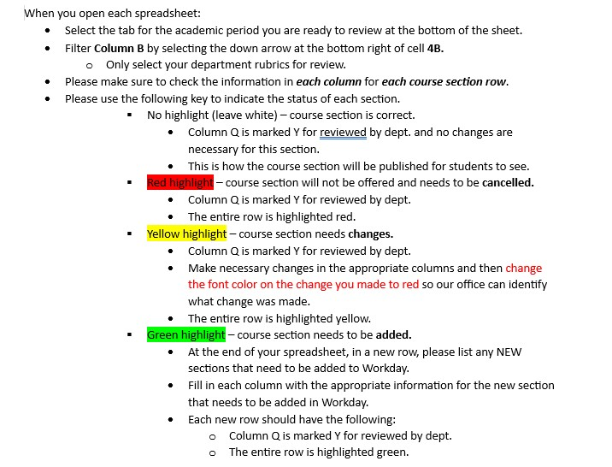

Examples
Section needs to be cancelled
Section has changes; font is changed to red for anything that has been changed
Section needs to be added; include this information at the bottom of the spreadsheet for the academic period where it should be added
Academic Period | Course Abbreviation | Course Number | Section | Academic Level | Meeting Patterns | Location | Section Capacity | Delivery Mode | Hidden Course Section | Instructors | Course Tags | Wait List Capacity | Student Course Section Cluster | Course Section Overlaps | Public Notes | Reviewed by Department (Y or N)
Fall Semester 2025 (08/25/2025-12/13/2025) | ARAB | 1101 | ARAB 1101-001-LEC-FA - BEGINNING ARABIC | Undergraduate | Monday Tuesday Wednesday Thursday | 11:30 AM - 12:20 PM |  | 30 | On Campus |  | Raymond Stock | Communication Intensive :: Written and Spoken GE/ILC :: Humanities | 40 |  |  |  | Y
Fall Semester 2025 (08/25/2025-12/13/2025) | ARAB | 1101 | ARAB 1101-002-LEC-FA - BEGINNING ARABIC | Undergraduate | Monday Tuesday Wednesday Thursday | 12:30 PM - 1:20 PM |  | 30 | On Campus |  | Raymond Stock | Communication Intensive :: Written and Spoken GE/ILC :: Humanities | 40 |  |  |  | Y
Fall Semester 2025 (08/25/2025-12/13/2025) | ARAB | 1101 | ARAB 1101-003-LEC-FA - BEGINNING ARABIC | Undergraduate | Monday Tuesday Wednesday Thursday | 1:30 PM - 2:20 PM |  | 25 | On Campus |  | Raymond Stock | Communication Intensive :: Written and Spoken GE/ILC :: Humanities | 50 |  |  |  | Y
Fall Semester 2025 (08/25/2025-12/13/2025) | ARAB | 1101 | ARAB 1101-004-LEC-FA - BEGINNING ARABIC | Undergraduate | Monday Tuesday Wednesday Thursday | 2:30 PM - 3:20 PM |  | 25 | On Campus |  | Raymond Stock | Communication Intensive :: Written and Spoken GE/ILC :: Humanities | 50 |  |  |  | Y
Fall Semester 2025 (08/25/2025-12/13/2025) | ARAB | 2101 | ARAB 2101-001-LEC-FA - INTERMEDIATE ARABIC | Undergraduate | Monday Wednesday Friday | 9:30 AM - 10:20 AM |  | 25 | On Campus |  | Touria Khannous | ADMIN :: Prerequisite Communication Intensive :: Written and Spoken GE/ILC :: Humanities | 50 |  |  |  | Y
Fall Semester 2025 (08/25/2025-12/13/2025) | ARAB | 2101 | ARAB 2101-002-LEC-FA - INTERMEDIATE ARABIC | Undergraduate | Monday Wednesday Friday | 10:30 AM - 11:20 AM |  | 25 | On Campus |  | Touria Khannous | ADMIN :: Prerequisite Communication Intensive :: Written and Spoken GE/ILC :: Humanities | 50 |  |  |  | Y
Fall Semester 2025 (08/25/2025-12/13/2025) | ARAB | 3101 | ARAB 3101-001-LEC-FA - ADVANCED ARABIC I | Undergraduate | Tuesday Thursday | 9:00 AM - 10:20 AM | 138 Prescott | 15 | On Campus |  | Raymond Stock |  | 25 |  |  |  | Y
Fall Semester 2025 (08/25/2025-12/13/2025) | ARAB | 4915 | ARAB 4915-001-LEC-FA - INDEPENDENT WORK | Undergraduate |  |  | 1 | On Campus |  |  | ADMIN :: Prerequisite | 50 |  |  |  | Y
 | ARAB | 3101 | 002 |  | Tuesday Thursday | 1:30 PM - 2:50 PM |  | 15 |  |  | Mark Wagner |  | 25 |  |  |  | Y
 | ARAB | 4915 | 002 |  |  |  | 1 | On Campus |  | Mark Wagner |  | 50 |  |  |  | Y

